Sheet1
a US$100,000 face value whole life policy has an annual premium of US$2,000, paid at the beginning of the year. Policy dividends of US$500 per year are anticipated, payable at year-end. A cash value of US$22,500 is projected for the end of Year 20.

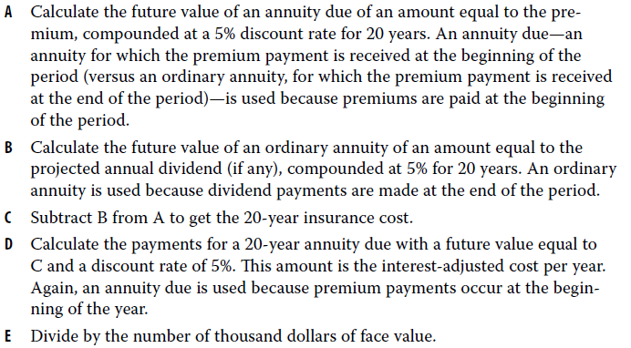
Net payment Cost Index Calculation
Future value of premiums (annuity due): US$2,000 annual payment, 20 years, 5% | ($69,438.50)
Future value of dividends (ordinary annuity): US$500 annual payment, 20 years, 5% | ($16,532.98)
20-year insurance cost | ($52,905.53)
Annual payments for 20-year insurance cost (annuity due): 20 years, 5% | $1,523.81
Divide by US$ thousands of face value | 100
Net Payment Cost Index, cost per US$ thousand per year | $15.24

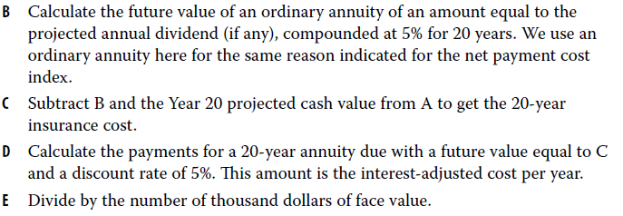
Surrender Cost Index Calculation
Future value of premiums (annuity due): US$2,000 annual payment, 20 years, 5% | ($69,438.50)
Future value of dividends (ordinary annuity): US$500 annual payment, 20 years, 5% | ($16,532.98)
20-year cash value (given above) | 22500
20-year insurance cost | ($30,405.53)
Annual payments for 20-year insurance cost (annuity due): 20 years, 5% | $875.75
Divide by US$ thousands of face value | 100
Net Payment Cost Index, cost per US$ thousand per year | $8.76

